Bug report 1
ID | BUG1
Summary | Radio button “No” not responsive
Steps to reproduce | Open Chrome browser
 | Go to following URL: www.demoqa.com
 | Click on “Elements” tab
 | Click on the “Radio Button” tab
 | Click on “No” radio button
Expected result | The radio button “No” is the only one selected and the confirmation message “You have selected No” appears
Actual result | The radio button “No” cannot be clicked on
Repro rate | 100%
Severity | Low
Priority | Low
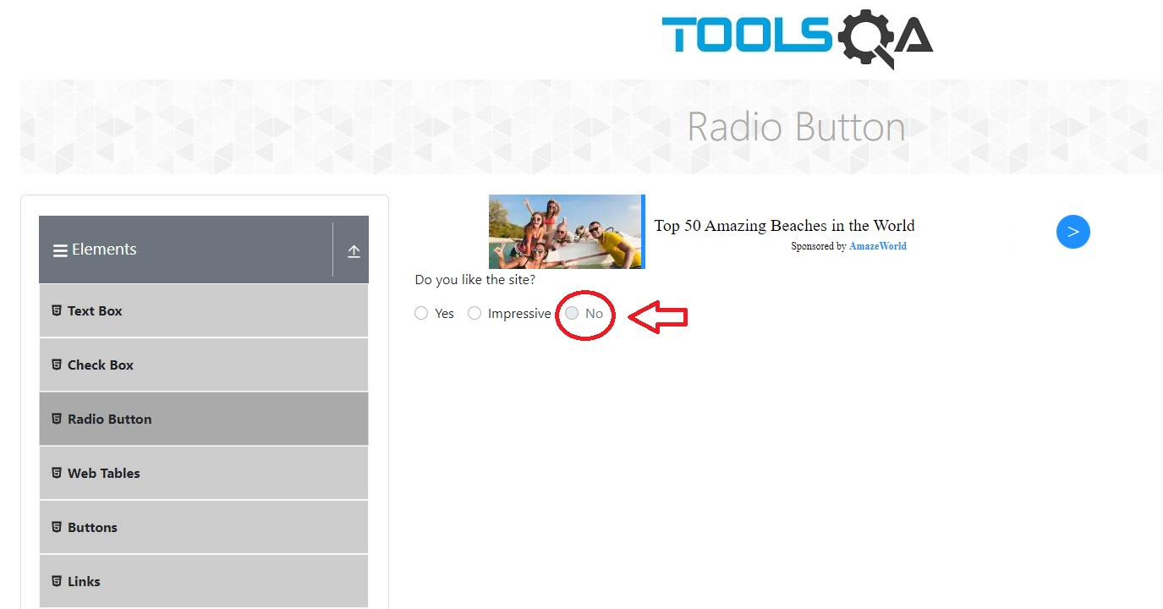
Screenshot

Description | When user goes to demoqa - elements – radio button page, there are three radio buttons to be chosen from. “Yes” and “Impressive” are responsive, while “No” radio button is not available. It is pale and we get a “forbidden” sign when placing our cursor over it.

Bug report 2
ID | BUG2
Summary | Search field doesn’t recognize the entered sum
Steps to reproduce | Open Chrome browser |  | Chrome browser is opened
 | Go to following URL: www.demoqa.com |  | Home page is opened
 | Click on “Elements” tab |  | www.demoqa.com/elements page is opened
 | Click on the “Web Tables” tab |  | www.demoqa.com/webtables page is opened
 | Click on “Add” tab |  | Registration form is opened
 | Input valid data into "First Name" field | Andrija | First name is entered and visible
 | Input valid data into "Last Name" field | Jovanovic | Last name is entered and visible
 | Input valid data into "Email" field | ragingbullfilms21@gmail.com | Email address is entered and visible
 | Input valid data into "Age" field | 40 | Age is entered and visible
 | Input valid data into "Salary" field | 1000 | Salary is entered and visible
 | Input valid data into "Department" field | qa | Department is entered and visible
 | Click on “Submit” button |  | New data is visible as a new row in the table
 | In the search field above the table enter the Salary | 1000 | Salary is entered and visible
 | Click on magnifying glass button
Expected result | The rows with the same amount are visible
Actual result | All the rows where the element salary contains the input numeric are visible
Repro rate | 100%
Severity | Low
Priority | Low
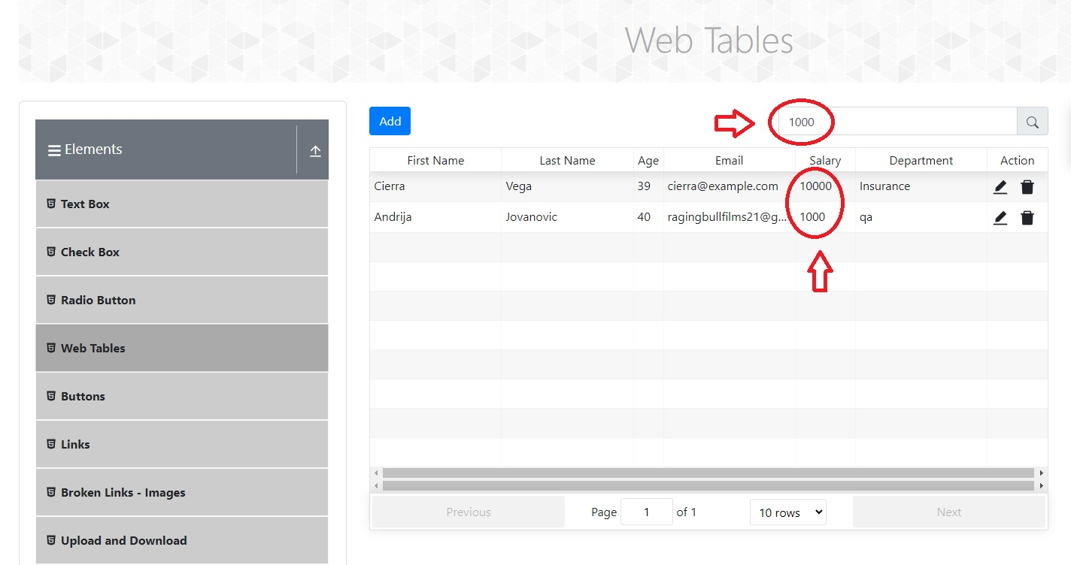
Screenshot

Description | When user goes to demoqa - elements – web tables page, there is a search option that is supposed to select among the data in the table that match the input information. With the input numeric the search engine doesn’t perform correctly: it selects the data that contain the characters of the input although these data contain more information and have not being searched for

Bug report 3
ID | BUG3
Summary | Drop down menu don’t contain required information
Steps to reproduce | Open Chrome browser | Chrome browser is opened
 | Go to following URL: www.demoqa.com | Home page is opened
 | Click on “Forms” tab | www.demoqa.com/forms page is opened
 | Click on the “Practice Form” tab | www.demoqa.com/automation-practice-form page is opened
 | Click on the drop down menu of “State” section
 | Click on the drop down menu of “City” section
Expected result | The drop down menus contain the list of states and cities to choose from
Actual result | The drop down menus contain only a very limited number of available data to choose from
Repro rate | 100%
Severity | Low
Priority | Low
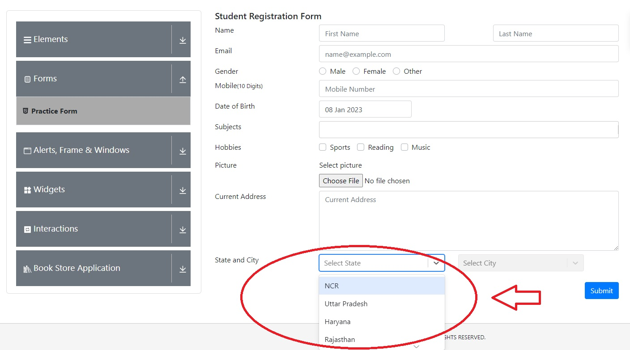
Screenshot

Description | When user goes to demoqa - forms –practice form page, among the fields to be filled out are “State and City”. Instead of inserting data these fields have drop down menus where the state and the city can be chosen from. When the drop down menus open, only a couple of options are available for choosing - insufficient for number of users who come from different countries and cities worldwide.

Bug report 4
ID | BUG4
Summary | The tab is not responsive
Steps to reproduce | Open Chrome browser | Chrome browser is opened
 | Go to following URL: www.demoqa.com | Home page is opened
 | Click on “Widgets” tab | www.demoqa.com/widgets page is opened
 | Click on the “Tabs” tab | www.demoqa.com/tabs page is opened
 | Click on the “More” tab | The tab with the text opens
Expected result | The tab with the text opens
Actual result | The tab doesn’t respond
Repro rate | 100%
Severity | Low
Priority | Low
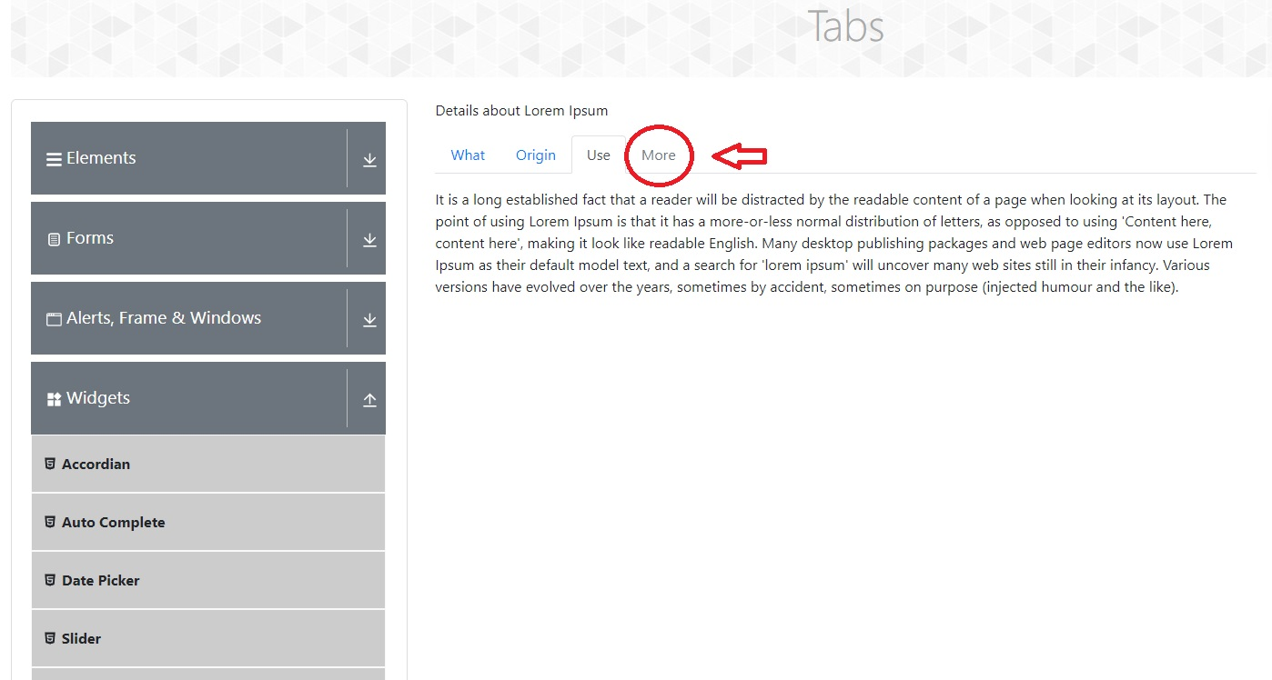
Screenshot

Description | When user goes to demoqa - widgets –tabs page, there are four tabs to be selected. “More” tab is not responsive and cannot be selected.

Bug report 5
ID | BUG5
Summary | The multi select drop down menu doesn’t allow multiple selecting
Steps to reproduce | Open Chrome browser | Chrome browser is opened
 | Go to following URL: www.demoqa.com | Home page is opened
 | Click on “Widgets” tab | www.demoqa.com/widgets page is opened
 | Click on the “Select Menu” tab | www.demoqa.com/select-menu is opened
 | In “Standard multi select” drop down menu click on “Volvo” element | “Volvo” element is highlighted in blue
 | In “Standard multi select” drop down menu click on “Saab” element
Expected result | “Saab” element is highlighted in blue next to highlighted “Volvo” element
Actual result | The drop down menu allows selection of just one element
Repro rate | 100%
Severity | Low
Priority | Low
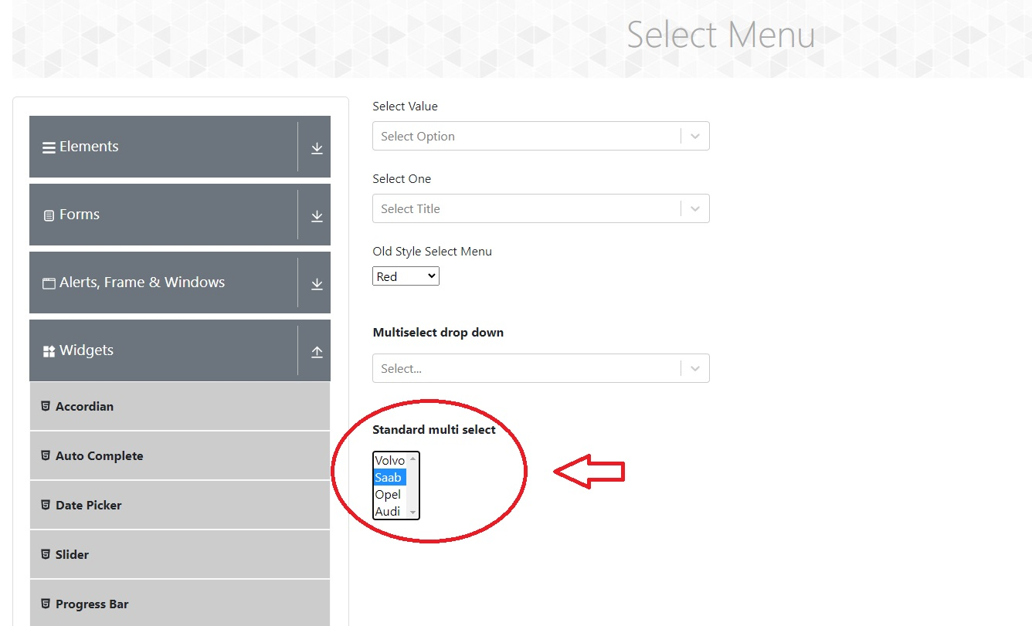
Screenshot

Description | When user goes to demoqa - widgets –tabs page, there are four tabs to be selected. “More” tab is not responsive and cannot be selected.

